TMcart_Customer_Bugreport
Bug ID | Test Case ID | Reported Date | Issue Type | Summary | Component | Application Type | Steps to Reproduce | Expected Result | Actual Result | Severity | Status | Attachment | Remarks | Reported By
BUG_CUST_1 | TMCart_3 | 2022-11-21 | Bug | In Categories menu, 'Men' and 'Dress' submenus are not displayed | Customer | Web | 1.Open the browser 2.Enter the URL 3.Scroll down to the bottom of Home page. | In Categories menu, 'Men' and 'Dress' submenus should be displayed | In Categories menu, 'Men' and 'Dress' submenus are not displayed | Medium | New | 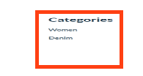 |  | Vishnu
BUG_CUST_2 | TMCart_5 | 2022-11-21 | Bug | Additional categories such as Fashion, Apple, Mobile are displayed and also the spelling of Electronics displayed as 'Electronicss' | Customer | Web | 1.Open the browser 2.Enter the URL 3.Click on the All Categories drop-down | Drop down near to search field should display the following Categories 1. Clothing and Beauty 2. Fresh Fruit 3. Vegetables 4. Electronics | Additional categories such as Fashion, Apple, Mobile are displayed and also the spelling of Electronics displayed as 'Electronicss' | Medium | New | 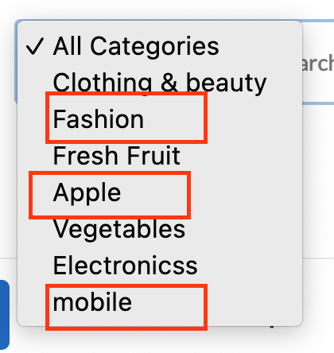 |  | Vishnu
BUG_CUST_3 | TMCart_49 | 2022-11-21 | Bug | The Company Name and Details displayed in the bottom of the Home Page is wrong | Customer | Web | 1.Open the browser 2.Enter the URL 3.Scroll down to the bottom of Home page | The following Company Logo ,Name and Details should be displayed in the bottom of the Home Page. Company Name:Techmasters Software Services Private Limited Company Details; Address: Techmasters Software Services Private Limited Second Floor, Mullackal Medicals building (Landmark: Opposite to Canara Bank) Pattoor-Vanchiyoor Road, Trivandrum Kerala-India. Call Us: 9846422221 Email: operations@gotechmasters.com Working Hours: 10:00 - 18:00, Mon - Fri | The Company Name and Details displayed in the bottom of the Home Page is wrong | High | New | 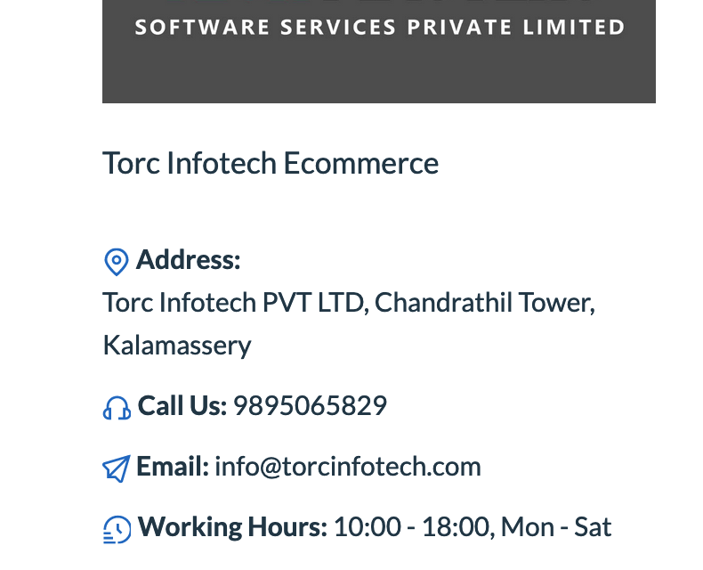 |  | Vishnu
BUG_CUST_4 | TMCart_51 | 2022-11-22 | Bug | The Email field name is displayed as 'Username or Email'. | Customer | Web | 1. Open the browser. 2. Enter the URL. 3. Select the Login option by mouse hovering at 'Account' | Customer should be able to view the following fields and labels and button on the Login page: 1. The organization/company logo. 2. The 'Login' label. 2. 'Don't have an account? Create one' text. 4. 'Email ' field. 5.' Your password' field. 6. 'Remember me' checkbox. 7. 'Forgot password?' hyperlink. 8.' Login' button. | Email field name is displayed as 'Username or Email' . | Medium | New | 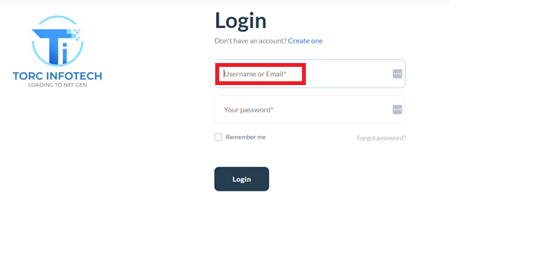 |  | Vishnu
BUG_CUST_5 | TMCart_56 | 2022-11-22 | Bug | Proper message not displayed when '@' not entered in the 'Email' field | Customer | Web | 1. Open the browser. 2. Enter the URL. 3.Select the Login option by mouse hovering at 'Account' 4. Enter the email without ' @ ' 5. Click Login button | Proper message should be displayed when '@' not entered in the 'Email' field | Proper message not displayed when '@' not entered in the 'Email' field | Medium | New |  |  | Vishnu
BUG_CUST_6 | TMCart_57 | 2022-11-22 | Bug | Proper message not displayed when 'domain' not entered in the 'Email' field | Customer | Web | 1. Open the browser. 2. Enter the URL. 3. Select the Login option by mouse hovering at 'Account' 4. Enter the email without Domain 5. Click Login button | Proper message should be displayed when 'domain' not entered in the 'Email' field | Proper message not displayed when 'domain' not entered in the 'Email' field | Medium | New |  |  | Vishnu
BUG_CUST_7 | TMCart_58 | 2022-11-22 | Bug | Proper message not displayed when 'dot' (.) not entered in the 'Email' field | Customer | Web | 1. Open the browser. 2. Enter the URL. 3. Select the Login option by mouse hovering at 'Account' 4. Enter the email without Dot 5. Click Login button | Proper message should be displayed when 'dot' (.) not entered in the 'Email' field | Proper message not displayed when 'dot' (.) not entered in the 'Email' field | Medium | New |  |  | Vishnu
BUG_CUST_8 | TMCart_59 | 2022-11-22 | Bug | Proper message not displayed when suffix after dot is not entered in the 'Email' field | Customer | Web | 1. Open the browser. 2. Enter the URL. 3. Select the Login option by mouse hovering at 'Account' 4. Enter the email without suffix after dot 5. Click Login button | Proper message should be displayed when suffix after dot is not entered in the 'Email' field | Proper message not displayed when suffix after dot is not entered in the 'Email' field | Medium | New |  |  | Vishnu
BUG_CUST_9 | TMCart_60 | 2022-11-22 | Bug | Proper message not displayed when prefix before @ is missing in the 'Email' field | Customer | Web | 1. Open the browser. 2. Enter the URL. 3. Select the Login option by mouse hovering at 'Account' 4. Enter the email without prefix before @ 5. Click Login button | Proper message should be displayed when prefix before @ is missing in the 'Email' field ' | Proper message not displayed when prefix before @ is missing in the 'Email' field | Medium | New |  |  | Vishnu
BUG_CUST_10 | TMCart_61 | 2022-11-22 | Bug | Proper message not displayed when space is given in the 'Email' field | Customer | Web | 1. Open the browser. 2. Enter the URL. 3.Select the Login option by mouse hovering at 'Account' 4.Enter the email with Space 5. Click Login button | Proper message should be displayed when space is given in the 'Email' field | Proper message not displayed when space is given in the 'Email' field | Medium | New |  |  | Vishnu
BUG_CUST_11 | TMCart_62 | 2022-11-22 | Bug | Proper message not displayed when Email is entered with two @ symbols | Customer | Web | 1. Open the browser. 2. Enter the URL. 3. Select the Login option by mouse hovering at 'Account' 4. Enter the email with two @ symbols 5. Click Login button | Proper message should be displayed when Email is entered with two @ symbols | Proper message not displayed when Email is entered with two @ symbols | Medium | New |  |  | Vishnu
BUG_CUST_12 | TMCart_70 | 2022-11-23 | Bug | The 'Remember me' option is not working. | Customer | Web | 1. Open the browser 2. Enter the URL 3. Select the Login option by mouse hovering at 'Account'. 4. Enter Valid Email 5. Enter Valid Password 6. Select the 'Remember me' checkbox. 7. Click Login button. 8. Select Sign out from the drop down options. 9.Mouse hover at Account option 10. Select the Login option by mouse hovering at 'Account'. 11.Verify that Username and Password are entered automatically | The 'Remember me' option should be worked | The 'Remember me' option is not working. | High | New |  |  | Vishnu
BUG_CUST_13 | TMCart_80 | 2022-11-22 | Bug | Proper message is not displayed when suffix after dot is not entered in the Email Address field | Customer | Web | 1. Open the browser 2. Enter the URL 3. Select the Login option by mouse hovering at 'Account'. 4. Select the 'Forgot Password' hyperlink. 5. Enter the email without suffix after dot 6. Click 'Send Password Reset Link' button. | Proper message should be displayed when suffix after dot is not entered in the Email Address field | Proper message is not displayed when suffix after dot is not entered in the Email Address field | Medium | New |  |  | Vishnu
BUG_CUST_14 | TMCart_81 | 2022-11-22 | Bug | Proper message is not displayed when prefix before @ is missing in the Email Address field | Customer | Web | 1. Open the browser 2. Enter the URL 3. Select the Login option by mouse hovering at 'Account'. 4. Select the 'Forgot Password' hyperlink. 5. Enter the email without prefix before @ 6. Click 'Send Password Reset Link' button. | Proper message should be displayed when prefix before @ is missing in the Email Address field | Proper message is not displayed when prefix before @ is missing in the Email Address field | Medium | New |  |  | Vishnu
BUG_CUST_15 | TMCart_82 | 2022-11-22 | Bug | Proper message not displayed when space is given in the Email Address field | Customer | Web | 1. Open the browser 2. Enter the URL 3. Select the Login option by mouse hovering at 'Account'. 4. Select the 'Forgot Password' hyperlink. 5.Enter the email with space 6. Click 'Send Password Reset Link' button. | Proper message should be displayed when space is given in the Email Address field | Proper message not displayed when space is given in the Email Address field | Medium | New |  |  | Vishnu
BUG_CUST_16 | TMCart_83 | 2022-11-22 | Bug | Proper message is not displayed when Email Address is entered with two '@' symbols | Customer | Web | 1. Open the browser 2. Enter the URL 3. Select the Login option by mouse hovering at 'Account'. 4. Select the 'Forgot Password' hyperlink. 5. Enter the email with two @ symbols 6. Click 'Send Password Reset Link' button. | Proper message should be displayed when Email Address is entered with two '@' symbols | Proper message is not displayed when Email Address is entered with two '@' symbols | Medium | New |  |  | Vishnu
BUG_CUST_17 | TMCart_102 | 2022-11-22 | Bug | Logout is displayed instead of Sign Out in Menulist | Customer | Web | 1. Open the browser 2. Enter the URL 3. Select the Login option by mouse hovering at 'Account'. 4. Enter valid email 5. Enter valid password 6. Click Login button. 7.Mouse hover at Account name 8.Click on ‘My Account’ Option | Profile page should contain the following: 1. Profile Name with Image and Email Id 2.Greeting message - “Hello <profile name>!” 3. Description - ‘From your account dashboard. you can easily check & view your recent orders, manage your shipping and billing addresses and edit your password and account details. 4. Menu List(Left side) with the following options with icon: • Overview • Profile • Orders • Downloads • Order return requests • Address books • Wishlist • Change password • Become a vendor • Sign Out | Logout is displayed instead of Sign Out in Menulist | Low | New | 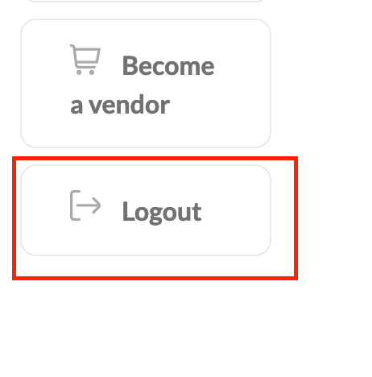 |  | Vishnu
BUG_CUST_18 | TMCart_118 | 2022-11-22 | Bug | Wishlist icon not highlighted after product is added to the wishlist | Customer | Web | 1. Open the Browser 2. Enter the URL 3. Mouse hover on Account Option 4. Click Login Option 5. Enter Email ID on Email field 6. Enter Password on 'Your Password' field 7. Click Login Button 8. Click on Product Option 9. Choose a product 10. Click Wishlist icon | Wishlist icon should be highlighted after product is added to the wishlist | Wishlist icon not highlighted after product is added to the wishlist | Medium | New |  |  | Vishnu

